Reports
Bug Reports
Problems | Screenshots | Problem | Fixed? | Fix method | Fix version | Additional notes
Volume goes over 100% | 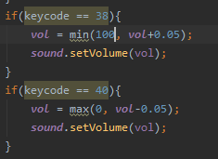  | The vol variable increases by 0.05 each time the up arrow is pressed, I set it using the min method but the min should have been set as 1 not 100. | Yes | Changed the min(100, vol+0.05) to min(1, vol+0.05) | V0.3
Volume goes us and over 100% when press minus |  | when the volume is put to 100% and then the volume minus button is pressed it goes up and then over 100%.this was caused because of ta copy and past error that increased in a min method | Yes | plus changed to minus | V0.3
Text colour same as Volume slider colour | 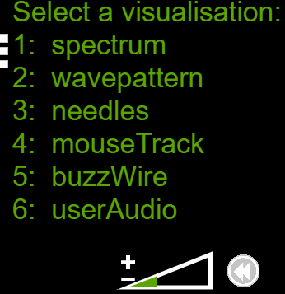 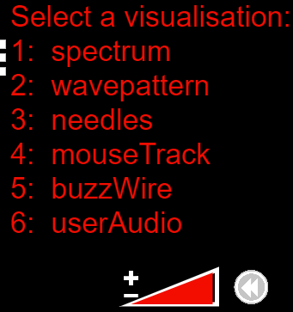 | the colour of the options changes to be the same as the colour the volume triangle is. | Yes | Added fill(255); to the menue function | V0.4
Skip missing track 1 | 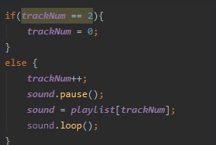 | when on track 3 and skipping forward it should take you to track 1 (index 0) but takes you to track 2 (index 1). This was because I had missed the the start logic for the setting of the track number. | Yes | added sound= playlist[trackNum]; sound.loop(); | V0.4
music resuming not restaring |  | when a tarck is skipped to or from it resumes from the point that it was left, instead of starting form the beginning | Yes | sound.pause() changed to sound.stop() | v0.4
buzzwire volume glitch |  | when the mouse is too far from the line the volume is set to 0, and when move to another visualser it stays at 0 | Yes | command added to the select vis key press, sound.setVolume(vol); | V0.5 | bug found by Deniz

